Sheet1
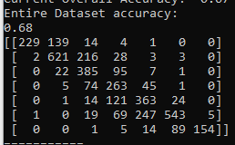
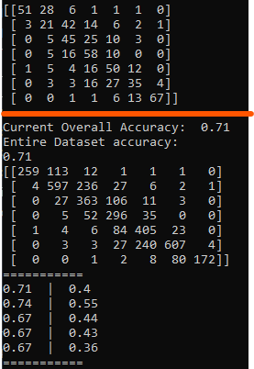
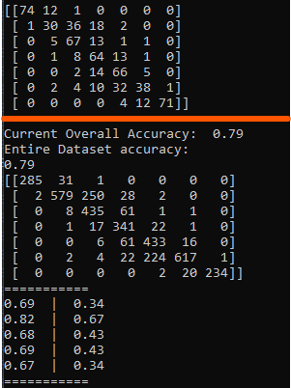
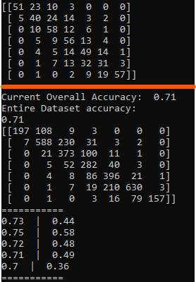
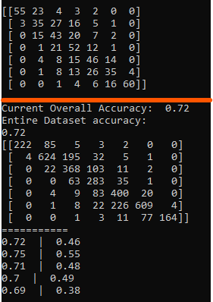
 | Balancing Technique
Window Size | Resample | RandomOverSampler | RandomUnderSampler | TomekLinks (Majority) | TomekLinks (All) | RandomUnderSampler + TomekLinks (Majority) | RandomUnderSampler + TomekLinks (All) | OneSidedSelection | NeighbourhoodCleaningRule (All) | NeighbourhoodCleaningRule (Mode) | Nearmiss (1) | Nearmiss (2) | Nearmiss (3) | RandomOverSampling + NeighbourhoodCleaningRule (Mode) | RandomOverSampling + NeighbourhoodCleaningRule (Mode) + Resample | SMOTE | SMOTEN | RandomOverSampling + RandomUnderSampling | RandomUnderSampling + RandomOverSampling | KMeansSmote | SVMSMOTE
4 | 40 | 38 | 30 | 34 | 33 | 32 | 30 | 29 | 78 | 77 | 34 | 41 | 27 | 84 | 87 | 37 | 38 | 37 | 30 | 43 | 47
7 | 59 | 59 | 34 | 35 | 36 | 33 | 35 | 46 | 71 | 69 | 39 | 42 | 27 | 85 | 88 | 47 | 52 | 59 | 33 | 57 | 65
15 | 62 | 65 | 32 | 35 | 37 | 34 | 33 | 48 | 62 | 63 | 38 | 40 | 27 | 84 | 88 | 47 | 55 | 66 | 33 | 56 | 52
17 | 61 | 65 | 31 | 35 | 37 | 32 | 34 | 49 | 63 | 63 | 35 | 38 | 28 | 83 | 87 | 47 | 56 | 65 | 32 | 57 | 54
20 | 62 | 66 | 30 | 35 | 38 | 31 | 34 | 49 | 61 | 60 | 36 | 39 | 28 | 81 | 88 | 47 | 56 | 65 | 32 | 56 | 55
22 | 63 | 66 | 32 | 35 | 38 | 32 | 33 | 50 | 61 | 60 | 37 | 39 | 24 | 84 | 88 | 47 | 56 | 66 | 32 | 58 | 52
25 | 61 | 67 | 31 | 35 | 38 | 32 | 32 | 48 | 60 | 61 | 38 | 36 | 26 | 83 | 88 | 47 | 56 | 67 | 31 | 58 | 55
 |  | * |  |  |  |  |  |  | * | * |  |  |  | * | * | *

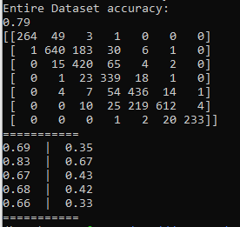
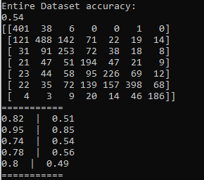
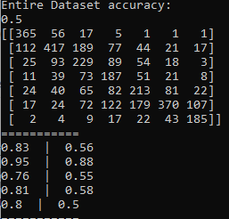
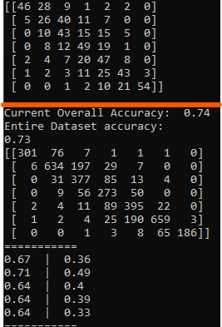
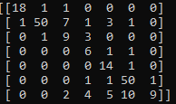
 |  | Window Size = 25 |  |  |  |  |  |  | *Worth noting that the Confusion Matrix looks as follows |  |  |  |  | Window Size = 7 | Window Size = 7 | Window Size = 15
 |  |  |  |  |  |  |  | All |  | Mode
Undersampling
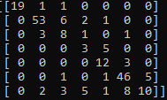
Oversampling
Supersampling

 |  |  |  |  |  |  |  | With these methods, the higher the Window Size, the more of the dataset that was removed
 |  |  |  |  |  |  |  | The size of the dataset at varying Window sizes is as follows

 |  |  |  |  |  |  |  | Window Size | Entire Dataset Size | Undersampled Dataset Size
 |  |  |  |  |  |  |  | 4 | 3960 | 2015
 |  |  |  |  |  |  |  | 7 | 3924 | 1848
 |  |  |  |  |  |  |  | 15 | 3828 | 1661
 |  |  |  |  |  |  |  | 17 | 2804 | 1670 |  |  |  |  |  | Above the orange line is the Confusion
 |  |  |  |  |  |  |  | 20 | 3768 | 1664 |  |  |  |  |  | Matrix for a one of the Oversampled runs.
 |  |  |  |  |  |  |  | 22 | 3744 | 1690 |  |  |  |  |  | The Confusion matrix below
 |  |  |  |  |  |  |  | 25 | 3708 | 1681 |  |  |  |  |  | is the Confusion Matrix from the model
 |  |  |  |  |  |  |  | Here is the Confusion matrix for Window size 7 : |  |  |  |  |  |  |  | that scored the highest accuracy
 |  |  |  |  |  |  |  | All |  | Mode
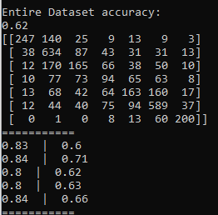
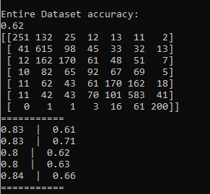

 | Balancing Technique - Testing the Models Using the Original Dataset
Window Size | Resample | RandomOverSampler | RandomUnderSampler | TomekLinks (Majority) | TomekLinks (All) | RandomUnderSampler + TomekLinks (Majority) | RandomUnderSampler + TomekLinks (All) | OneSidedSelection | NeighbourhoodCleaningRule (All) | NeighbourhoodCleaningRule (Mode) | Nearmiss (1) | Nearmiss (2) | Nearmiss (3) | RandomOverSampling + NeighbourhoodCleaningRule (Mode) | RandomOverSampling + NeighbourhoodCleaningRule (Mode) + Resample | SMOTE | SMOTEN | RandomOverSampling + RandomUnderSampling | RandomUnderSampling + RandomOverSampling | KMeansSmote | SVMSMOTE
4 | 41 | 38 | 37 | 41 | 40 | 38 | 37 | 35 | 46 | 46 | 31 | 36 | 29 | 46 | 44 | 41 | 41 | 41 | 36 | 40 | 42
7 | 58 | 71 | 48 | 62 | 58 | 48 | 46 | 48 | 53 | 53 | 46 | 49 | 42 | 54 | 50 | 66 | 64 | 71 | 33 | 65 | 54
15 | 63 | 78 | 50 | 68 | 61 | 49 | 46 | 49 | 51 | 51 | 50 | 51 | 48 | 55 | 51 | 73 | 71 | 78 | 51 | 71 | 72
17 | 63 | 79 | 50 | 68 | 62 | 50 | 47 | 48 | 51 | 51 | 50 | 51 | 48 | 56 | 53 | 73 | 71 | 79 | 50 | 71 | 72
20 | 62 | 79 | 50 | 68 | 62 | 50 | 48 | 50 | 51 | 51 | 50 | 51 | 48 | 56 | 52 | 73 | 71 | 79 | 50 | 71 | 71
22 | 63 | 79 | 50 | 68 | 62 | 50 | 47 | 51 | 51 | 51 | 49 | 51 | 47 | 56 | 53 | 73 | 72 | 79 | 51 | 71 | 72
25 | 63 | 79 | 51 | 69 | 64 | 50 | 48 | 53 | 52 | 52 | 50 | 51 | 48 | 57 | 53 | 73 | 71 | 79 | 51 | 71 | 72
 |  |  |  | * |  |  |  |  |  |  |  |  |  |  |  |  | * | * |  | * | *

 |  |  |  | Window Size = 15 |  |  |  |  |  |  |  |  |  |  |  | Window Size = 17 (SMOTEN) |  | Window Size = 25 (ROS + RUS) |  | Window Size = 25 (KMeansSmote) |  | Window Size = 25 (SVMSMOTE)

